Converter
WARHAMMER 40K PAINT COLOR CONVERTER

 | (To use the spreadsheet: go to 'File' -> 'Make a copy')
 | Source Name | Color | Destination Name
 | Troll Slayer Orange | F46C2E | Scarlet (817) | TRUE | Source Range | How to use
 | Wazdakka Red | 940008 | Cavalry Brown (982) | FALSE | New Citadel
 | Kantor Blue | 08085A | Dark Prussian blue | FALSE | B | Select the SOURCE RANGE as the type of paint whose color you have the names of. Select the DESTINATION RANGE as the brand of paint you want the list for. Fill in the color names values in the SOURCE NAME field. Accepted color names can bee seen in Sheet 2 - REFERENCE Table taken from https://www.dakkadakka.com/wiki/en/Paint_Range_Compatibility_Chart
 | Flash Gitz Yellow | FFE700 | Flat Yellow | FALSE | Destination Range
 |  |  |  | FALSE | Vallejo Model Color
 |  |  |  | FALSE
 |  |  |  | FALSE
 |  |  |  | FALSE
 |  |  |  | FALSE
 |  |  |  | FALSE
 | Wazdakka Red | 940008 | Cavalry Brown (982) | FALSE
 |  |  |  | FALSE
 |  |  |  | FALSE
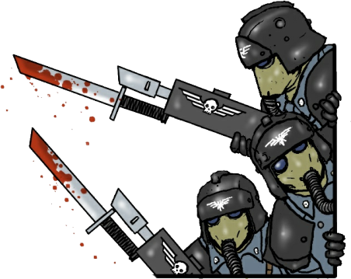
 |  |  |  | FALSE
 |  |  |  | FALSE
 |  |  |  | FALSE
 |  |  |  | FALSE
 |  |  |  | FALSE
 |  |  |  | FALSE
 |  |  |  | FALSE
 |  |  |  | FALSE
 |  |  |  | FALSE
 |  |  |  | FALSE
 |  |  |  | FALSE
 |  |  |  | FALSE
 |  |  |  | FALSE
 |  |  |  | FALSE
 |  |  |  | FALSE
 |  |  |  | FALSE

